Sheet1
Test Plan Summary
%pass | 100%
%fail | 0%
# of tests performed | 10

Test Plan Detail
Test Type | Test Objective | Screen shot | Steps | Test data | Expected result | Pass/Fail?
User Acceptance Test | Create a new meeting success | Picture 1 | Picture 1 | Dialog input | meeting created and details displayed | Pass
User Acceptance Test | Show Meetings success | Picture 2 | Picture 2 | Database entry | show all meetings for user | Pass
User Acceptance Test | Set Reminders fail | Picture 3 | Picture 3 | Set Reminders Button | meeting has already started reminder cannot be set | Pass
User Acceptance Test | Set Reminder success | Picture 4 | Picture 4 | Set Reminders Button | Reminder Set | Pass
Security Test | Private functions are no seen by other users | Picture 5 | Picture 5 | Comparing user views | private messages are only visable to user | Pass
Scalability Test | Meetings removed from database when finished | Picture 6 | Picture 6 | View reminders command | Meeting removed from database when finished | Pass
User Acceptance Test | Remove Meeting which will remove reminders for meeting | Picture 7 | Picture 7 | Delete Meeting dropdown | Meeting and reminders deleted | Pass
User Acceptance Test | Invite User via channel | Picture 8 | Picture 8 | Invite Other button | Meeting invite displayed in channel | Pass
User Acceptance Test | Accept Meeting Invitation and receive email | Picture 9 | Picture 9 | Accept Button | Receive acceptance confirmation and email with meeting details | Pass
User Acceptance Test | Add Meeting to calendar from email | Picture 10 | Picture 10 | Add to Calendar link in email | add meeting to calander | Pass

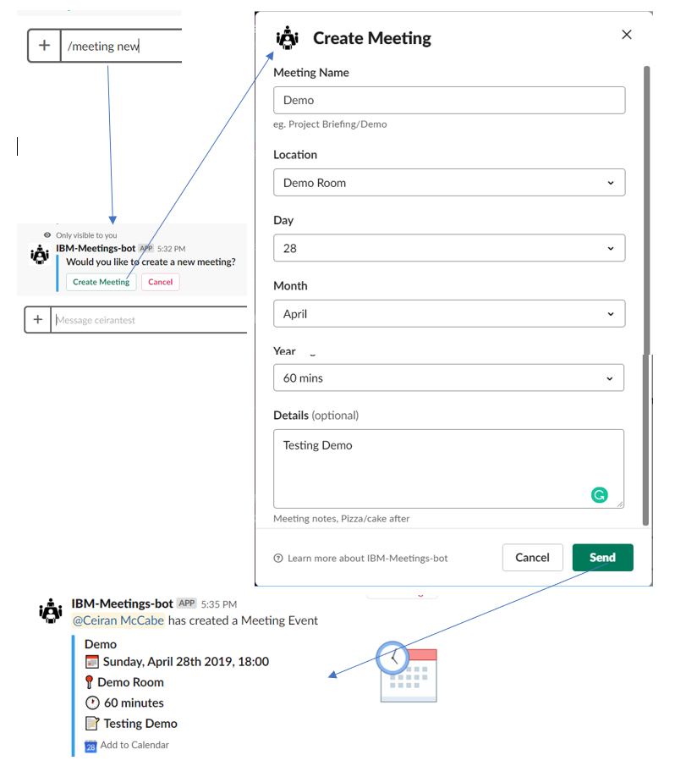
Picture 1

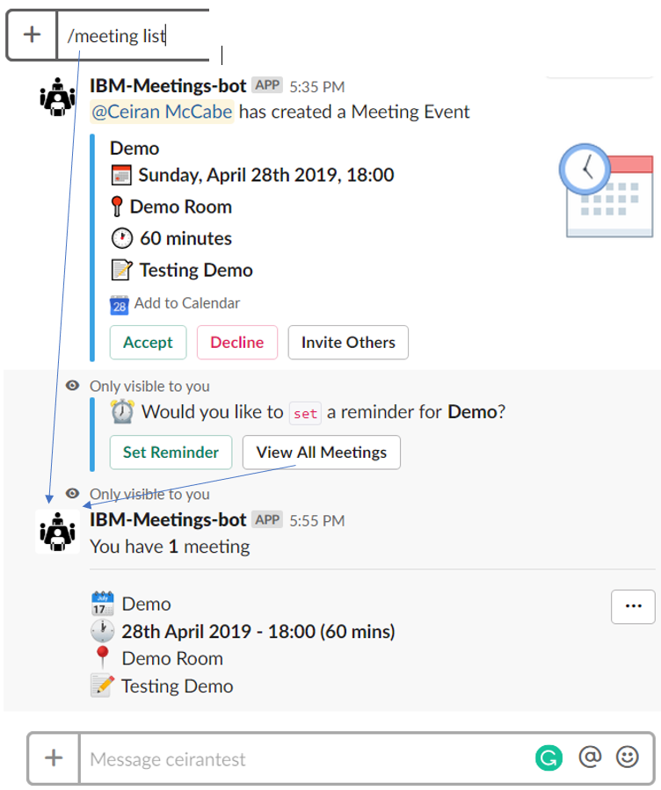
Picture 2

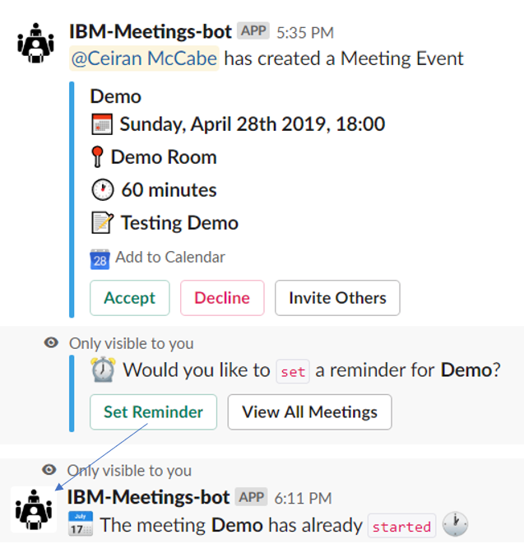
Picture 3

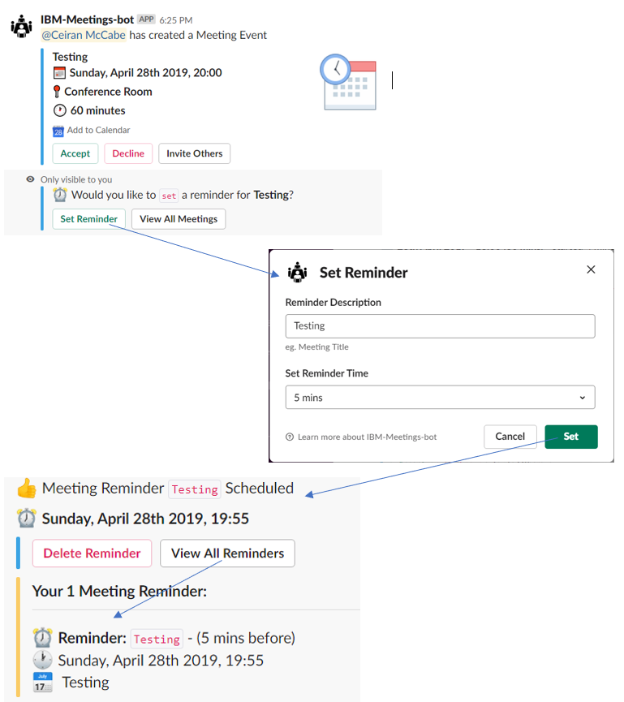
Picture 4

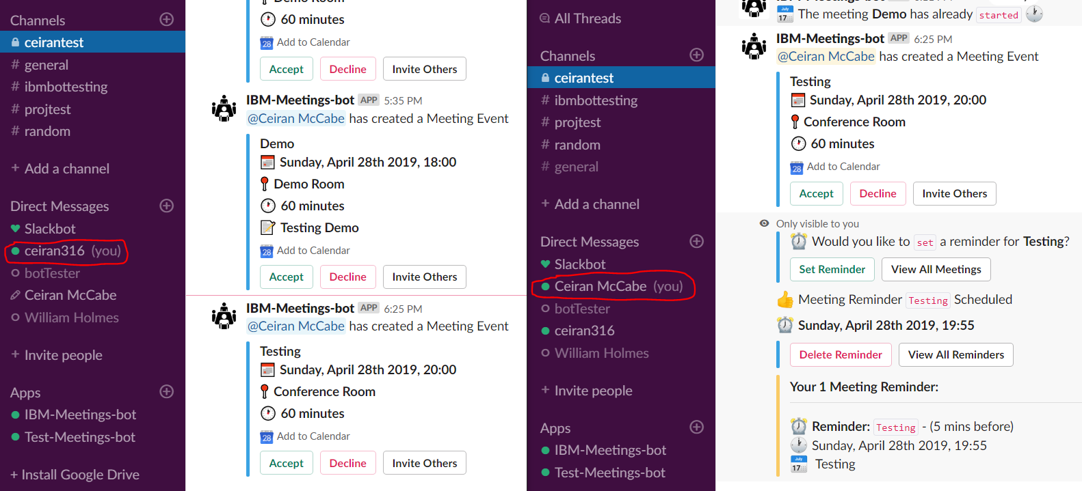
Picture 5

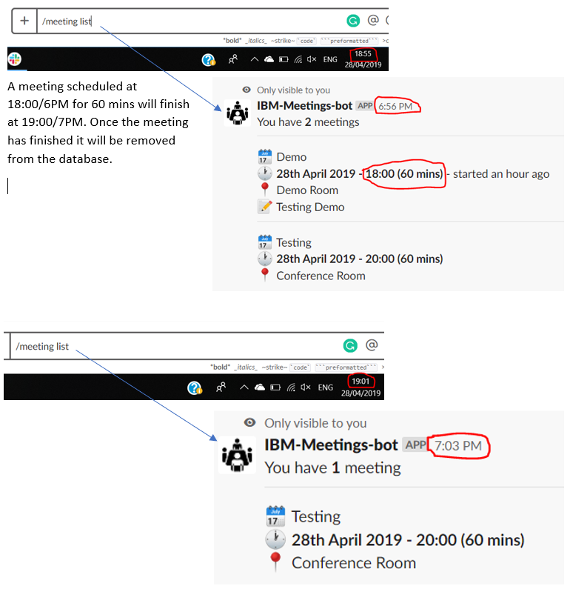
Picture 6

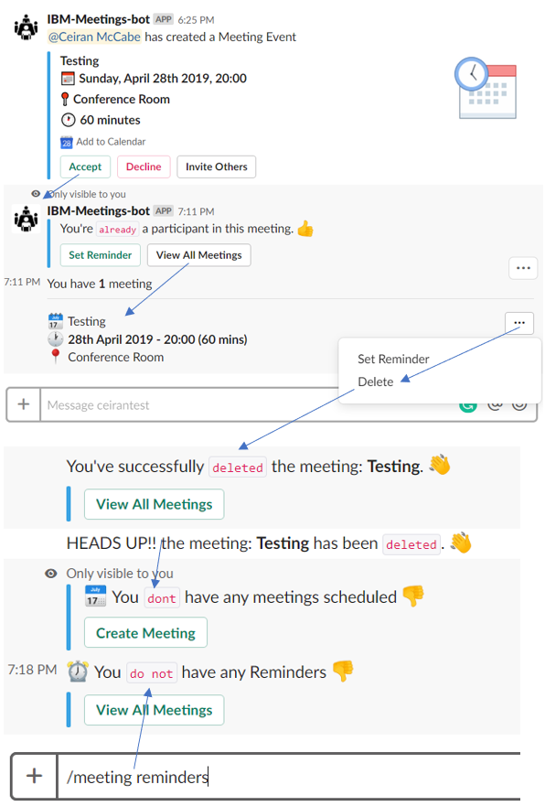
Picture 7

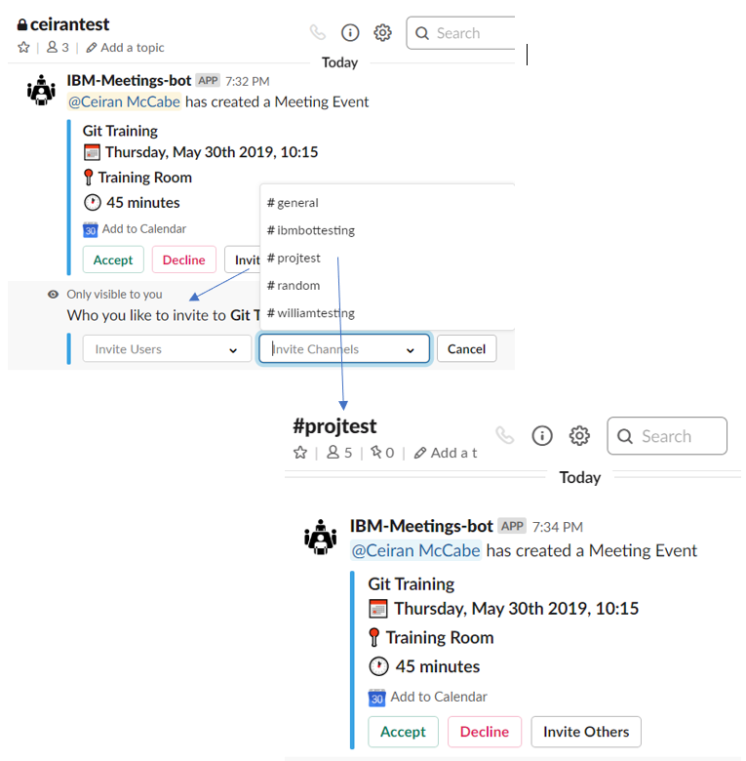
Picture 8

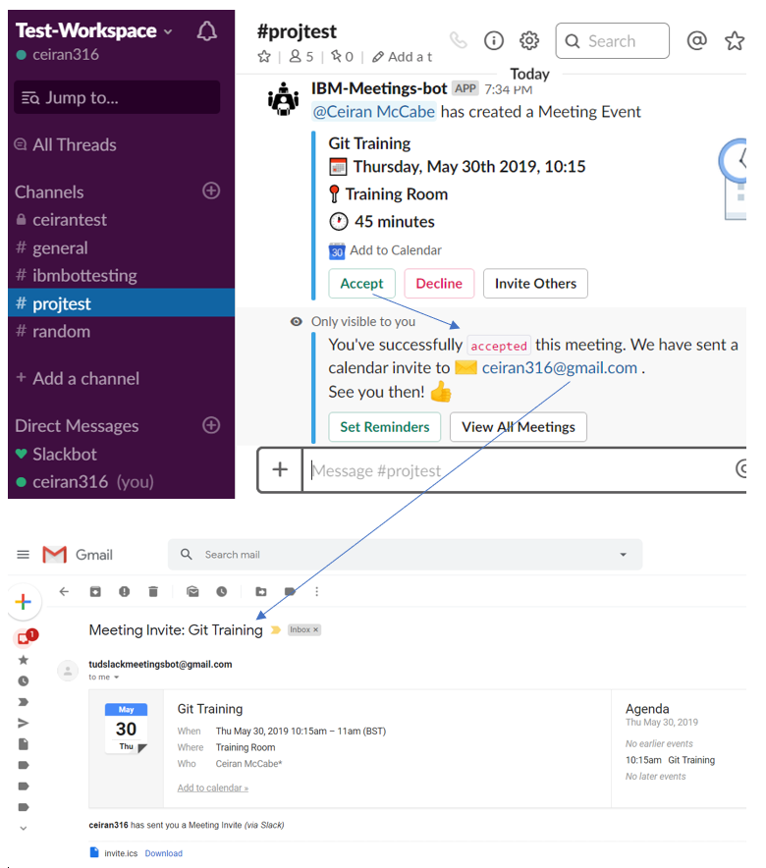
Picture 9

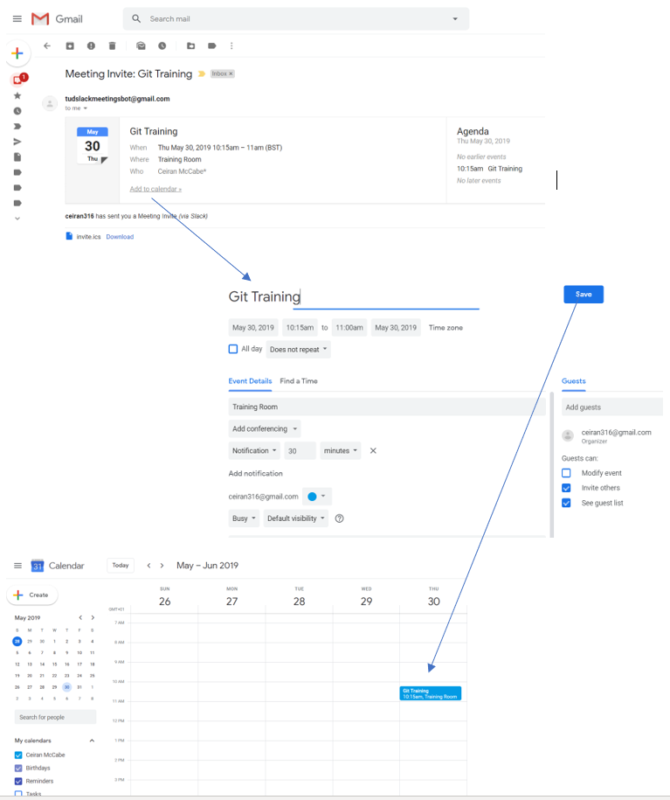
Picture 10

